Start here




WORKPLACE WELLBEING PROGRAMME DESIGNER
Design your programme in 3 simple steps:
1. Plan your annual workplace wellbeing roadmap using the programme calendar.
2. Select your wellbeing objectives with our programme designer.
3. Click the button below to book your 30-minute consultation to discuss your plan.

 | Book your free 30-minute consultation here.

1.Programme calendar
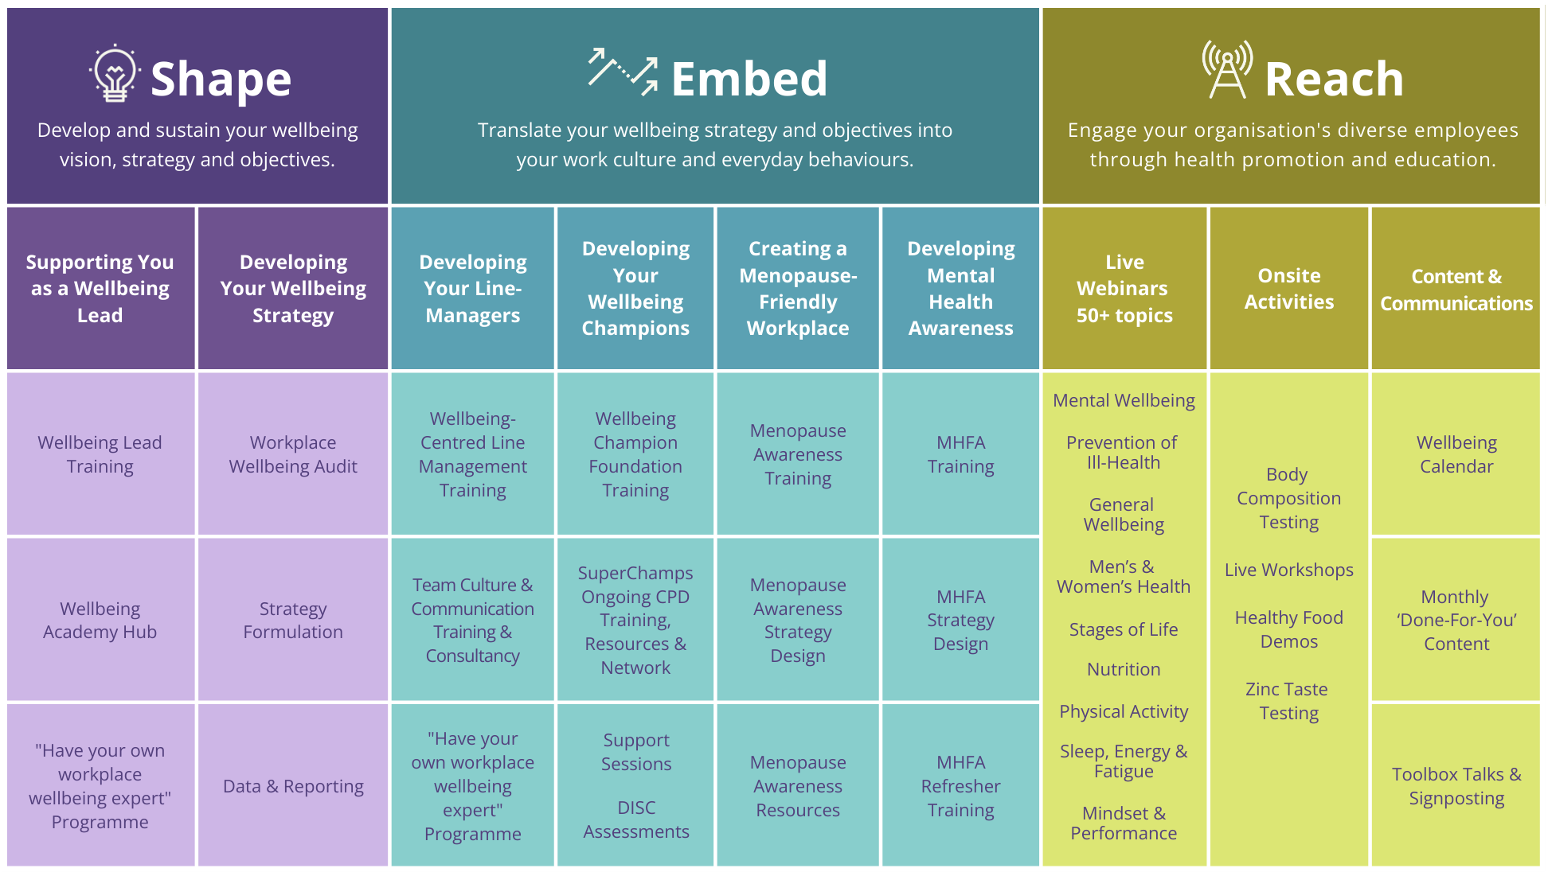
Your 3-year workplace wellbeing roadmap
Use this calendar to plan and organise your workplace wellbeing initiatives for the next three years. Key awareness dates are included as examples to help guide your planning.
2025
Key objectives:

January | February | March
• Veganuary • Dry January • Cervical Health Awareness Month | • World Cancer Day • Children’s Mental Health Week • Eating Disorders Awareness Week • National Heart Month | • International Women's Day • World Sleep Day • International Day of Happiness • Endometriosis Awareness Month

April | May | June
• World Autism Awareness Day • World Health Day • Stress Awareness Month | • World Digestive Health Day • Sun Awareness Week | • Men's Health Week • Diabetes Awareness Week • Healthy Eating Week • World Wellbeing Week

July | August | September
• Alcohol Awareness Week • National Picnic Month • Plastic Free July | • Cycle to Work Day • National Relaxation Day • National Dog Day • Happiness Happens Month | • World Suicide Prevention Day • Know your numbers! Week (blood pressure) • Migraine Awareness Week • National Inclusion Week

October | November | December
• World Mental Health Day • World Menopause Day • International Vegetarian Week • Mental Health Awareness Week • Back Care Awareness Week | • International Stress Awareness Day • World Diabetes Day • National Self Care Week • Men's Health Awareness Month | • Grief Awareness Week

2026
Key objectives:

January | February | March

April | May | June

July | August | September

October | November | December

2027
Key objectives:

January | February | March

April | May | June

July | August | September

October | November | December

